Sheet1
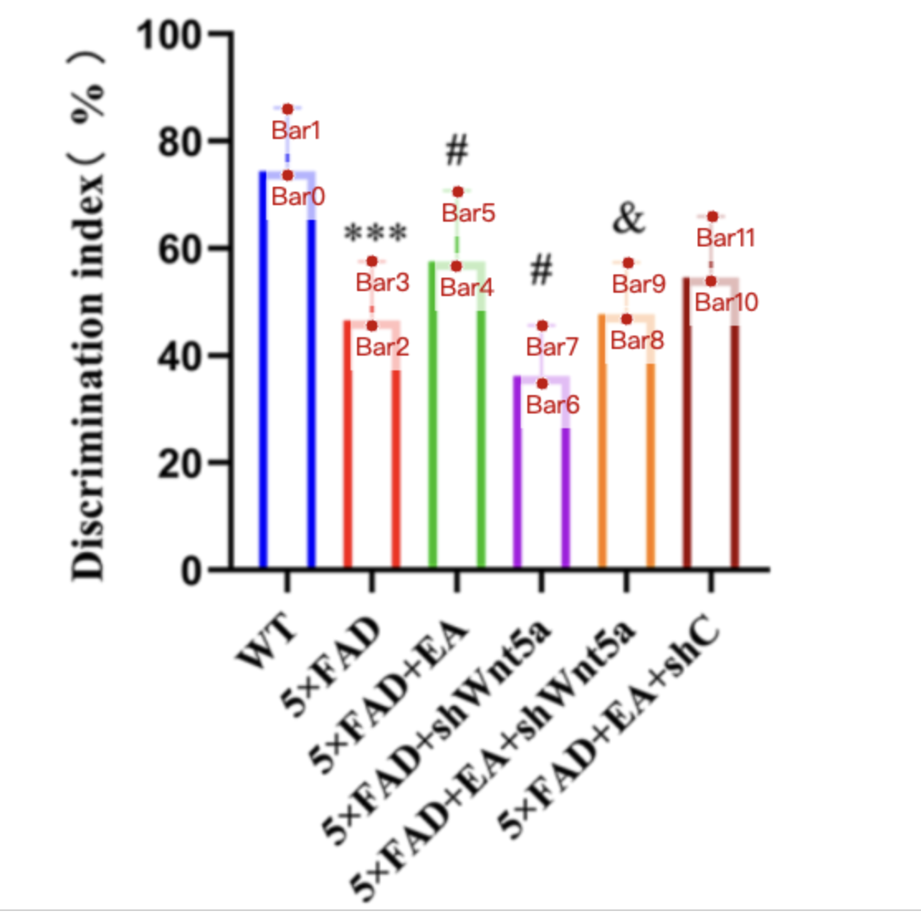
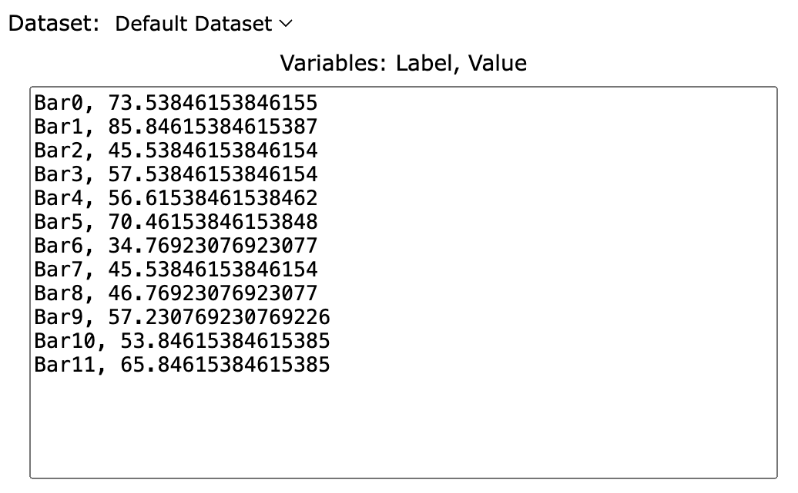
Treatment Groups | WT_discrimination_index % | 5xFAD_discrimination_index | 5xFAD+EA_discrimination_index | 5xFAD+shWnt5a_discrimination_index | 5xFAD+EA+shWnt5a_discrimination_index | 5xFAD+EA+shC_discrimination_index
mean | 73.538461538 | 45.538461538 | 56.615384615 | 34.769230769 | 46.769230769 | 53.846153846
sd | 12.30769231 | 12 | 13.84615385 | 10.76923077 | 10.46153846 | 12
mean+sd | 85.846153846 | 57.538461538 | 70.461538462 | 45.538461538 | 57.230769231 | 65.846153846

